P7 - Mechanism
 | Calculation Sheet
 | Customer |  |  |  |  | customer name |  |  |  |  |  | Proj No |  |  | proj no
 | Project Title |  |  |  |  | proj title |  |  |  |  |  | Calc No |  |  | KS-PR-CAL-0090
 | Calculation Title |  |  |  |  | Vibration Assessment - Surge and Momentum Changes Template |  |  |  |  |  | Phase/CTR |  |  | phase
 | Elec File Location |  |  |  |  | https://worleyparsons-my.sharepoint.com/personal/priyanka_verma_worley_com/Documents/Phase 2 QC2 Document Folder/KS/Calculations KS/Compare/KS-PR-CAL-0090 Vibration Assessment - Surge and Momentum Changes Template.xlsx
 |  |  |  |  |  |  |  |  |  |  |  |  |  | Page |  | 7 | of |  | 13
 | Rev |  | Date |  | By |  | Checked | Rev | Date | By | Checked |  | Rev | Date |  | By |  | Checked
The objective of this calculation is to determine the main line likelihood of failure (LOF) for vibration induced fatigue due to surge/momentum changes due to valve operation for…. | rev 1 |  | date 1 |  | by 1 |  | chkd 1 | rev 2 | date 2 | by 2 | chkd 2 |  | rev 3 | date 3 |  | by 3 |  | chkd 3

 |  | 4.0 |  | Mechanism

 |  | As per the the definition given the energy insuite guidelines (Ref. 1) in Surge (or water hammer, as it is commonly
 |  | known) is a pressure wave caused by kinetic energy of a fluid in motionwhen it is forced to stop or change direction
 |  | suddenly. If the pipe is suddenly closed at the outlet (downstream) a pressure wave is generated which travels back
 |  | upstream at the speed of sound in the liquid. This can give rise to high levels of transient pressure and associated
 |  | forces acting on the pipework, in liquid and multiphase service.

 |  | High transient forces can also be generated by rapid change in fluid momentum caused by the sudden opening of a
 |  | valve, e.g. fast operating of a relief valve, in either liquid, multiphase or dry gas service.

 |  | 4.1 |  | Dry Gas Rapid Valve Opening Methodology

 |  | For a rapid opening of a gas valve the transient forces are due to the sudden change in momentum:
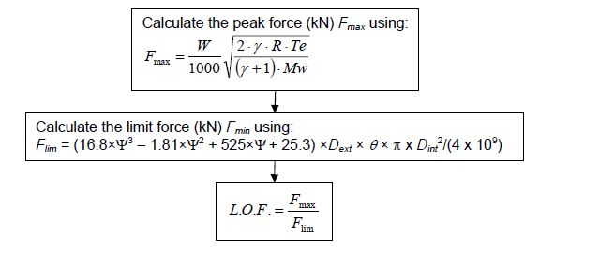

 | This Calculation represents the work of Worley performed to recognized engineering principles and practices appropriate for the terms of reference provided by Worley contractual Customer. This Calculation is confidential and prepared solely for the use of the Customer. The contents of this Calculation may not be disclosed to or relied upon by any party other than the Customer, and neither Worley, its subconsultants nor their respective employees assume any liability for any reason, including, but not limited to, negligence, to any other party for any information or representation herein.

P8- Liquid or Multiphase
 | Calculation Sheet
 | Customer |  |  |  |  | customer name |  |  |  |  |  | Proj No |  |  | proj no
 | Project Title |  |  |  |  | proj title |  |  |  |  |  | Calc No |  |  | KS-PR-CAL-0090
 | Calculation Title |  |  |  |  | Vibration Assessment - Surge and Momentum Changes Template |  |  |  |  |  | Phase/CTR |  |  | phase
 | Elec File Location |  |  |  |  | https://worleyparsons-my.sharepoint.com/personal/priyanka_verma_worley_com/Documents/Phase 2 QC2 Document Folder/KS/Calculations KS/Compare/KS-PR-CAL-0090 Vibration Assessment - Surge and Momentum Changes Template.xlsx
 |  |  |  |  |  |  |  |  |  |  |  |  |  | Page |  | 8 | of |  | 13
 | Rev |  | Date |  | By |  | Checked | Rev | Date | By | Checked |  | Rev | Date |  | By |  | Checked
The objective of this calculation is to determine the main line likelihood of failure (LOF) for vibration induced fatigue due to surge/momentum changes due to valve operation for…. | rev 1 |  | date 1 |  | by 1 |  | chkd 1 | rev 2 | date 2 | by 2 | chkd 2 |  | rev 3 | date 3 |  | by 3 |  | chkd 3

 |  | 4.2 |  | Liquid or Multiphase Valve Closure

 |  | The peak pressure surge (Pmax) generated during a valve opening or closure should remain within the design pressure
 |  | rating for the line. If this is not the case a detailed surge analysis should be carried out in addition to the following
 |  | assesment, please refer to Ref. 1 TM-09.

 |  | The intial assesment considers the worst case event of a 'sudden' valve closure, and the effect of the pressure surge
 |  | on the pipe. If this is considered acceptable then no further analysis is required as the pressure surge is unlikely to
 |  | affect the intergrity of the pipe. Sudden valve closure is defined as a valve closure time that is less than (2Lup/c)
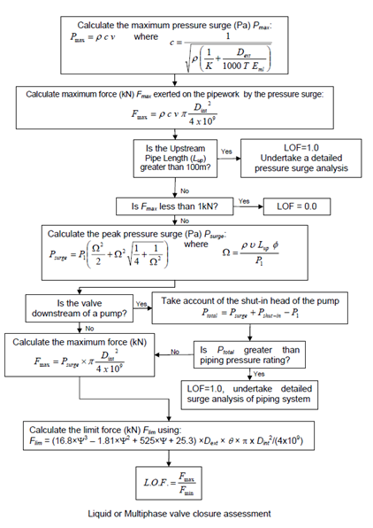

 | This Calculation represents the work of Worley performed to recognized engineering principles and practices appropriate for the terms of reference provided by Worley contractual Customer. This Calculation is confidential and prepared solely for the use of the Customer. The contents of this Calculation may not be disclosed to or relied upon by any party other than the Customer, and neither Worley, its subconsultants nor their respective employees assume any liability for any reason, including, but not limited to, negligence, to any other party for any information or representation herein.

P 9- Liquid or Multiphase Open
 | Calculation Sheet
 | Customer |  |  |  |  | customer name |  |  |  |  |  | Proj No |  |  | proj no
 | Project Title |  |  |  |  | proj title |  |  |  |  |  | Calc No |  |  | KS-PR-CAL-0090
 | Calculation Title |  |  |  |  | Vibration Assessment - Surge and Momentum Changes Template |  |  |  |  |  | Phase/CTR |  |  | phase
 | Elec File Location |  |  |  |  | https://worleyparsons-my.sharepoint.com/personal/priyanka_verma_worley_com/Documents/Phase 2 QC2 Document Folder/KS/Calculations KS/Compare/KS-PR-CAL-0090 Vibration Assessment - Surge and Momentum Changes Template.xlsx
 |  |  |  |  |  |  |  |  |  |  |  |  |  | Page |  | 9 | of |  | 13
 | Rev |  | Date |  | By |  | Checked | Rev | Date | By | Checked |  | Rev | Date |  | By |  | Checked
The objective of this calculation is to determine the main line likelihood of failure (LOF) for vibration induced fatigue due to surge/momentum changes due to valve operation for…. | rev 1 |  | date 1 |  | by 1 |  | chkd 1 | rev 2 | date 2 | by 2 | chkd 2 |  | rev 3 | date 3 |  | by 3 |  | chkd 3

 |  | 4.3 |  | Liquid or Multiphase Valve Opening

 |  | High dynamic forces due to the rapid change in momentum, considering the valve opening scenario in a liquid or
 |  | multiphase system, is outlined in the steps below. Note: for this case cavitation and flashing needs to be taken into
 |  | account using the approach outlined in section T2.9 and T2.10 in Ref. 1 respectively.

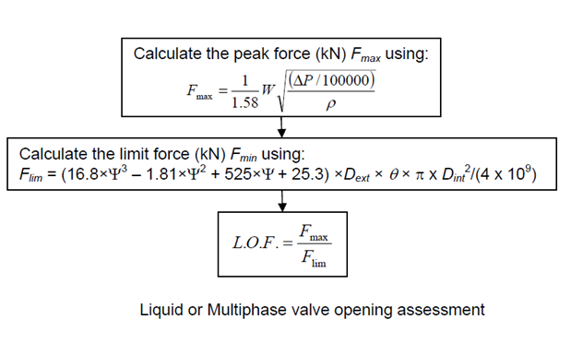

 | This Calculation represents the work of Worley performed to recognized engineering principles and practices appropriate for the terms of reference provided by Worley contractual Customer. This Calculation is confidential and prepared solely for the use of the Customer. The contents of this Calculation may not be disclosed to or relied upon by any party other than the Customer, and neither Worley, its subconsultants nor their respective employees assume any liability for any reason, including, but not limited to, negligence, to any other party for any information or representation herein.

